Coliform dilution NOTES
 | Order Maybe | Site ID | Description | FC (CFU/100 mL) | Dilution Range Used (mL) | Volume that worked (mL) ABSOLUTE | Volume (X) that provides a boundary (mL) ABSOLUTE | Notes | Recommended Range (mL)
2023-10-04 | 1 | SC-MID | Forest Lawn | #REF! | 0.1, 0.01, 0.001 |  | 0.1 | Overdiluted, but some (< 20) counted, so change the range with caution | 100, 10, 1
2023-10-04 | 2 | 229A | Jefferson & Florida | #REF! | 0.1, 0.01, 0.001 |  | 0.001 | TNTC | 0.1, 0.01, 0.001
2023-10-04 | 3 | 340 | Hagen & Kerns | #REF! | 0.1, 0.01, 0.001 |  | 0.001 | TNTC | 0.1, 0.01, 0.001
2023-10-04 | 4 | 341A | Genesee & Kerns | #REF! | 0.1, 0.01, 0.001 |  | 0.001 | TNTC | 0.1, 0.01, 0.001
2023-10-04 | 5 | 338 | Bailey | #REF! | 0.1, 0.01, 0.001 | 0.001 |  |  | 0.1, 0.01, 0.001
2023-10-04 | 6 | 336B | Ramp to NY33 | #REF! | 0.1, 0.01, 0.001 | 0.001 |  |  | 0.1, 0.01, 0.001
2023-10-04 | 7 | 333 | E. Delevan | #REF! | 0.1, 0.01, 0.001 | 0.001 |  |  | 0.1, 0.01, 0.001
2023-10-04 | 8 | 337 | Colorado Scajaquada | #REF! | 0.1, 0.01, 0.001 | 0.001 |  |  | 0.1, 0.01, 0.001
2023-10-04 | 9 | 339 | Texas & Kerns | #REF! | 0.1, 0.01, 0.001 |  | 0.001 | TNTC | 0.1, 0.01, 0.001
2023-10-04 | 10 | SC-UP | Upper | #REF! | 0.1, 0.01, 0.001 |  | 0.1 | Overdiluted, but some (< 20) counted, so change the range with caution | 100, 10, 1

2023-11-14 | 1 | CAZ-UP |  | #REF! | 100, 50 | 50 |  | Urban stream, start with 50? | 100, 10, 1
2023-11-14 | 2 | 122 | S. Legion | #REF! | (0.1, 0.01, 0.001)/10 | 0.001 |  |  | 0.1, 0.01, 0.001
2023-11-14 | 3 | 104 | Bailey & Littell | #REF! | (0.1, 0.01, 0.001)/10 | 0.001 |  |  | 0.1, 0.01, 0.001
2023-11-14 | 4 | 67 | Carroll & Hydraulic | #REF! | (0.1, 0.01, 0.001)/10 | 0.01 |  |  | 0.1, 0.01, 0.001
2023-11-14 | 5 | 97 | Babcock | #REF! | (0.1, 0.01, 0.001)/10 |  | 0.01 | "Overdiluted," too few to count at 0.1/10 (lost 10^3 counts for 10^6 counts) | 0.1, 0.01, 0.001
2023-11-14 | 6 | 375 | Smith St. | #REF! | (0.1, 0.01, 0.001)/10 |  | 0.01 | "Overdiluted," too few to count at 0.1/10 (lost 10^3 counts for 10^6 counts) | 0.1, 0.01, 0.001
2023-11-14 | 7 | 65 | Swan & Hamburg | #REF! | (0.1, 0.01, 0.001)/10 | 0.01 |  |  | 0.1, 0.01, 0.001
2023-11-14 | 8 | 326 | Oak & Smith | #REF! | (0.1, 0.01, 0.001)/10 | 0.01 |  |  | 0.1, 0.01, 0.001
2023-11-14 | 9 | 137 | Louisiana | #REF! | (0.1, 0.01, 0.001)/10 | 0.001 |  |  | 0.1, 0.01, 0.001
2023-11-14 | 10 | BUF-DOWN | Ohio St. bridge | #REF! | 100, 50 | 50 |  |  | 100, 10, 1
2023-11-14 | 11 | BUF-UP | Harlem | #REF! | 100, 50 | 50 |  |  | 100, 10, 1

2024-03-14 | 1 | SC-UP | Cheektowaga Town Park | #REF! | 100, 50 | 100 |  | Still need 100 sometimes | 100, 10, 1
2024-03-14 | 2 | SC-MID | Forest Lawn | #REF! | 100, 50 |  | 50 | <400, urban stream needs more dilutions (underdiluted) | 100, 10, 1
2024-03-14 | 3 | SC-DWN-West | Lower Scajaquada | #REF! | 100, 50 | 100 |  |  | 100, 10, 1
2024-03-14 | 4 | SC-DWN-Mouth | Lower Scajaquada (mouth) | #REF! | 100, 50 |  | 50 | <400, urban stream needs more dilutions (underdiluted) | 100, 10, 1
2024-03-14 | 5 | BRC-Ferry | W. Ferry Drawbridge | #REF! | 100, 50 |  | 50 | <400, urban stream needs more dilutions (underdiluted) | 100, 10, 1
2024-03-14 | 6 | BRC-Wright | FLW Boathouse | #REF! | 100, 50 | 100 |  |  | 100, 10, 1
2024-03-14 | 7 | BUF-DWN | Ohio St. Bridge | #REF! | 100, 50 | 100 |  |  | 100, 10, 1
2024-03-14 | 8 | SPP 375 | Smith St. ILS | #REF! | (0.1, 0.01, 0.001)/10 |  | 0.01 | "Overdiluted" no colonies. Count = 0 at 0.1/10; < 1.0E+04 or 2E+05 | 0.1, 0.01, 0.001
2024-03-14 | 9 | CAZ-UP | Warren Spahn Way Bridge | #REF! | 100, 50 | 100 |  |  | 100, 10, 1
2024-03-14 | 10 | BUF-UP | Harlem Rd. S of Clinton | #REF! | 100, 50 | 100 |  |  | 100, 10, 1

 |  |  |  |  |  |  |  | Questions/comments
 |  |  |  |  |  |  |  | Sig Digs! Need to build into the count spreadsheets.
 |  |  |  |  |  |  |  | SPP sites typically have high fecal counts, but might not always, some extremely so, like 375
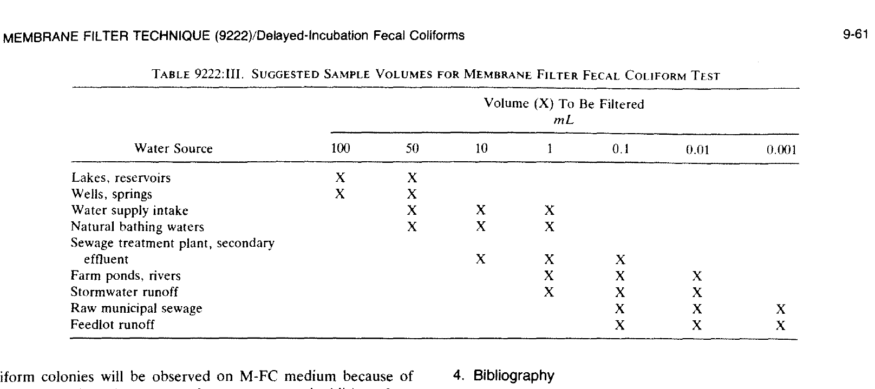
 |  |  |  |  |  |  |  | On SPP dilution range:
 |  |  |  |  |  |  |  | --With variability at SPP sites, seems logical to get more toward the center of the chart, so 0.1, 0.01, 0.001
 |  |  |  |  |  |  |  | --Increases our chance of getting counts were are missing in the 10^4 range, allowing 2x10^7 to be good enough (vs 10^8)
 |  |  |  |  |  |  |  | -- It would be easier in the lab not to dilute by 10

 |  |  |  |  |  |  |  | Conclusions
 |  |  |  |  |  |  |  | 100 - 10 - 1 Suggested for all river sites, skipping 50. B/c some need to be at 100 and 1, and none needed to be at 0.1 that we've seen.
 |  |  |  |  |  |  |  | Suggest 0.1, 0.01, 0.001 or SPP sites

BSA River Sites - GPS
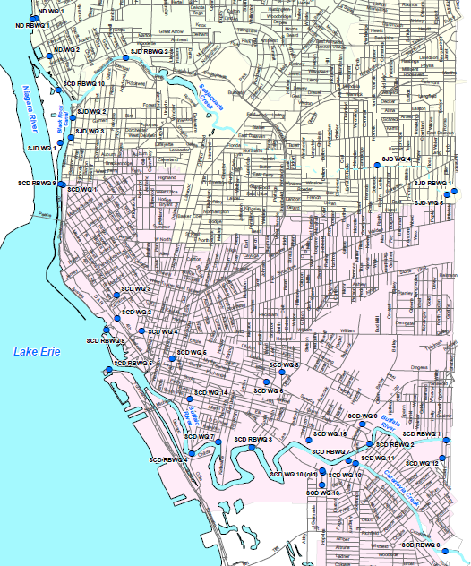
SITE_ID | SITE_DESCRIPTION | LAT | LONG
SC-UP | Cheektowaga Town Park | 42.91835 | -78.78565
SC-MID | Forest Lawn | 42.92383 | -78.85715
SC-DWN-West | Lower Scajaquada | 42.93025 | -78.89561
SC-DWN-Mouth | Lower Scajaquada (mouth) | 42.92914 | -78.89843
BRC-RRBridge | International RR Bridge | 42.93124 | -78.90214
BRC-Ferry | W. Ferry Drawbridge | 42.91528 | -78.90207
BRC-Wright | FLW Boathouse | 42.90162 | -78.90212
BUF-DWN | Ohio St. Bridge | 42.86188 | -78.86757
CAZ-UP | Warren Spahn Way Bridge | 42.84573 | -78.80638
BUF-UP | Harlem Rd. S of Clinton | 42.8702 | -78.78758

